1. Title Page
INSTACART GROCERY BASKET ANALYSIS

Project Name: Instacart Grocery Basket Analysis
Date: December 2022
Analyst Name: Elena Dries

Contents:

Tab 2. Population Flow
Tab 3. Consistency checks
Tab 4. Wrangling steps
Tab 5. Column derivations
Tab 6. Visualizations
Tab 7. Recommendations

Instacart Data Sources:

- The Instacart Online Grocery Shopping Dataset 2017”, Accessed from https://www.instacart.com/datasets/grocery-shopping-2017 in December 2022.
- https://s3.amazonaws.com/coach-courses-us/public/courses/data-immersion/A4/A4_Data_Assets/customers.zip
- https://gist.github.com/jeremystan/c3b39d947d9b88b3ccff3147dbcf6c6b

2. Population Flow
Title page

Population flow

Exclusion flag
Condition: max_order < 5
Obervations to be removed: 1,440,295
Final total count of order_products_all: 30,964,564

Orders_products_combined
Orders_products_merged
ords_prods_cust_with_profile

Total: 32,404,859
Total: 34,434,489
Total: 30,964,564

1.) The grey boxes in the first row of the population flow represent the original data sets as they were when you downloaded them. In the Total fields you need to add the count of the rows when you imported the data set into Jupyter.
2.) The second row of boxes (coloured) represents the data sets after you manipulated them, e.g., removed missing values and duplicates. In the Total fields you need to add the count of the rows after conducting these operations. This offers a visual oveview of how the data flows throughout the data consistency checks.
3.) The third row, where also the arrows are coloured, represents the merges you performed between the datasets. In the Total fields you need to add the count of the rows in the merged datasets, so that you end up with the final dataset (in the red box). Keep in mind the final dataset should be without exclusions (based on the exclusion flag).

3. Consistency checks
Consistency checks

Dataset | Missing values | Missing values treatment | Duplicates
orders | 206,209 missing values in "days_since_prior_order" | Median value of 7 is imputed | No duplicates detected
products | 16 missing values in "product_name" | Creating a subset without missing values | Found and removed 5 duplicates
orders_products_prior | None | N/A | None
orders_products_merged_new_columns_and_flags | 5,127 new missing values converted from price outliers | Kept AS IS | None
customers | 11,259 missing values in first_name | Kept AS IS | None

4. Wrangling steps
Wrangling steps

Columns dropped | Columns renamed | Columns' type changed | Comment/Reason
'eval_set' |  |  | This column does not provide useful information for the purpose of the project in question.
 | order_dow --> "orders_day_of_week" |  | Changing the column name into a more intuitive name
 |  | "order_id", integer into string | "order_id" is a key and should not have a numeric value
 |  | "user_id", integer into string | "user_id" is a key and should not have a numeric value
 | "order_hour_of_day" --> "time_of_order, hour" |  | Changing the column name into a more intuitive name
'date_joined' |  |  | This column does not provide useful information for the purpose of the project in question.
 | 'Surnam' --> 'last_name' |  | Changing the column name into a more intuitive name
 | 'First Name' --> 'first_name' |  | Changing the column name into the one that is more in line with the rest of the names.
 | 'n_dependants' --> 'no_of_dependants' |  | Changing the column name into a more intuitive name

5. Column derivations
Column derivations and aggregations

Dataset | New column | Column/s it was derived from | Conditions
orders_products_merged_new_columns.pkl | price_range_loc | prices | If the item’s price is lower than or equal to $5, it will be labeled a “low-range product”. If the item’s price is above $5 but lower than or equal to $15, it will be labeled a “mid-range product”. If the item’s price is above $15, it will be labeled a “high-range product”.
orders_products_merged_new_columns.pkl | busiest_day | orders_day_of_week | Contains values: “Busiest day" (day 0), “Least busy" (day 4), and “Regularly busy" (the rest of the days).
orders_products_merged_new_columns.pkl | busy_slow_days | orders_day_of_week | Contains values: 'Busiest days' (days 0 and 1), 'Slowest days' (days 3 and 4) and 'Regularly busy' (the rest).
orders_products_merged_new_columns.pkl | busiest_period_of_day | time_of_order, hour | Contain values: "Most orders" (hours 9 through 16), "Fewest orders" (hours 23 through 6), "Average orders" (the rest).
orders_products_merged_new_columns_and_flags.pkl | max_order | user_id, order_number | Maximum orders for each user.
orders_products_merged_new_columns_and_flags.pkl | loyalty_flag | max_order | If the maximum orders the user has made is over 40, then the customer will be labeled a “Loyal customer”. If the maximum orders the user has made is over 10 but less than or equal to 40, then the customer will be labeled a “Regular customer". If the maximum orders the user has made is less than or equal to 10, then the customer will be labeled a “New customer.”
orders_products_merged_new_columns_and_flags.pkl | mean_price | user_id, prices | Average product price for each user.
orders_products_merged_new_columns_and_flags.pkl | spending_flag | mean_price | If the mean of the prices of products purchased by a user is lower than 10, then flag them as a “Low spender”. If the mean of the prices of products purchased by a user is higher than or equal to 10, then flag them as a “High spender”.
orders_products_merged_new_columns_and_flags.pkl | median_days_since | user_id, days_since_prior_order | Median days since the previous order for each customer.
orders_products_merged_new_columns_and_flags.pkl | frequency_flag | median_days_since | If the median of “days_since_prior_order” is higher than 20, then the customer should be labeled a “Non-frequent customer”. If the median is higher than 10 and lower than or equal to 20, then the customer should be labeled a “Regular customer”. If the median is lower than or equal to 10, then the customer should be labeled a “Frequent customer”.
ords_prods_cust_with_profile | Region | State | See the folowing link for regional allocation: https://simple.wikipedia.org/wiki/List_of_regions_of_the_United_States
ords_prods_cust_with_profile | low_activity_flag | max_order | If max_order is < 5 - "Low-activity Customer" If max_order is >= 5 - "Active Customer"
ords_prods_cust_with_profile | profile | department_id, Age, no_of_dependants, fam_satus, | if row['department_id'] == 5: return 'Drinker' elif row['department_id'] == 8: return 'Pet Owner' elif (row['Age'] < 30) and (row ['no_of_dependants'] > 0): return 'Young Parent' elif (row['Age'] >= 25) and (row['Age'] <65) and (row['no_of_dependants'] == 0) and (row['fam_status'] == 'single'): return 'Single Adult No Kids' elif (row['Age'] >= 65) and (row['no_of_dependants'] == 0): return 'Retiree' elif (row['no_of_dependants'] > 3): return 'Big Family' elif (row['no_of_dependants'] > 0) and (row['Age'] >= 30): return 'Parent Over 30' else: return 'Not defined'

loyalty_flag

Regular customer 15876776
Loyal customer 10284093
New customer 6243990
Name: loyalty_flag, dtype: int64

spending_flag

Low spender 31770614
High spender 634245
Name: spending_flag, dtype: int64

frequency_flag

Frequent customer 22790523
Regular customer 6927608
Non-frequent customer 2686728
Name: frequency_flag, dtype: int64

low_activity_flag

Active customer 30964564
Name: low_activity_flag, dtype: int64

6. Visualizations
Visualisations

IMPORTANT: Since the customer information data used for the current project has been fabricated, the charts and conclusions cannot be used to make business decisions. The charts and the conclusions are meant for illustrative purposes only.

No. | Key Question | Chart/s | Comments

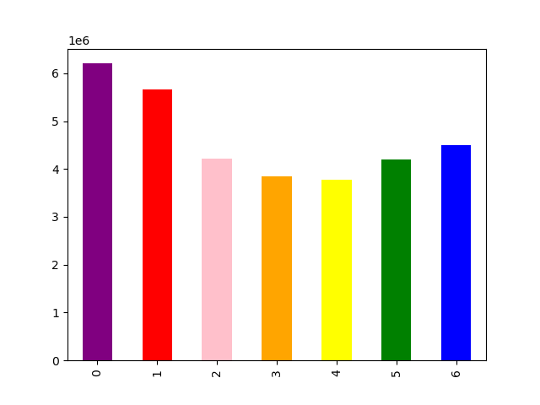
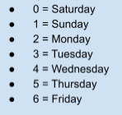
1 | What are the busiest days of the week and hours of the day? |  | The busiest days are days 0 and days 1, which correspond to Saturdays and Sundays.


 |  |  | The histogram shows us that most of the purchases happen between 9am and 4pm (16). Same histogram demonstrates hours between 1am and 7am as being the slowest in terms of numbers of orders.

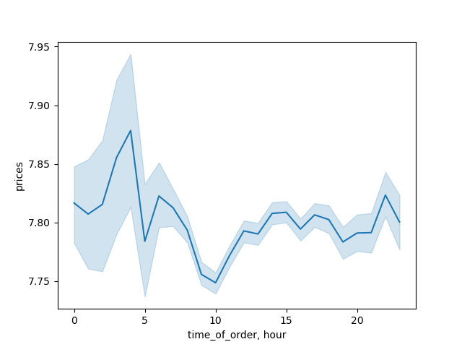
2 | Are there particular times of the day when people spend the most money? |  | The line chart demostrates that the highest peak for prices falls at 4-5am, with 6am and 10pm (22) being the lower peaks. 10am is the lowest in terms of the prices paid.


3 | What is allocation by the price range groupings? |  | Most of the prices fall into grouping from $0 to $15, while the prices that fall into grouping between $15 and $25 are rare and far between.

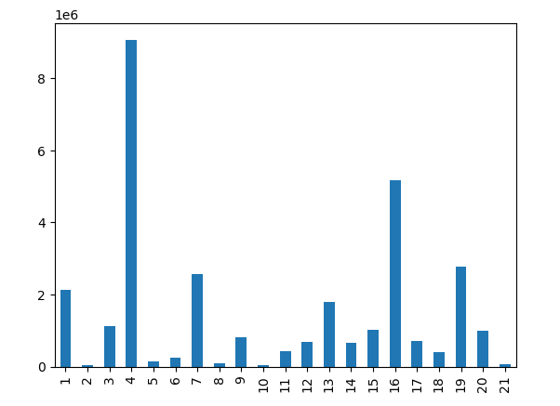
4 | Which departments have the highest frequency of product orders? |  | The bar chart demostrates that department 4 (Produce) has by far the most orders, followed by department 16 (Dairy and Eggs).

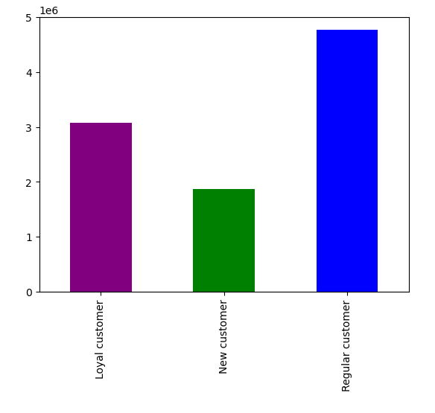
5 | What’s the distribution among users in regards to their brand loyalty (i.e., how often do they return to Instacart)? |  | The bar chart shows the distribution of orders among different categories of customers, with regular customers (who have between 10 and 40 orders with Instacart) leading in the overall amount of orders, followed by loyal customers. New customers show the least amount of orders placed being the least numerous group of all.

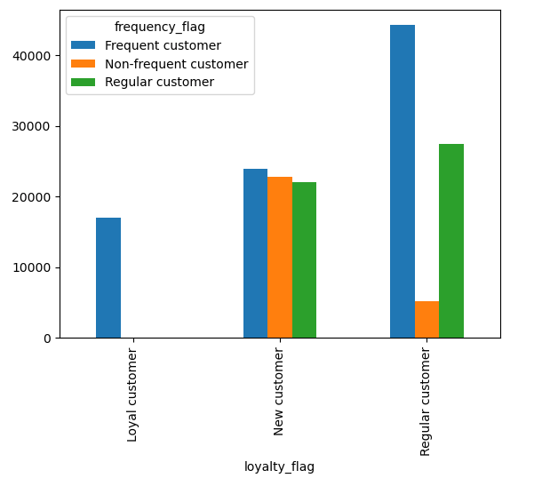
6 | Are there differences in ordering habits based on a customer’s loyalty status? |  | The bar chart crearly shows us that most loyal customers (those who have over 40 orders) are also frequent customers, who have on average 10 or less days between orders. The regular customers in terms of loyalty (over 10 and up to 40 orders) show a prevalency of being frequent in their purchases, while only a small portion of them have more than 20 days between their orders. The new customers are evenly distributed among the frequency categories.

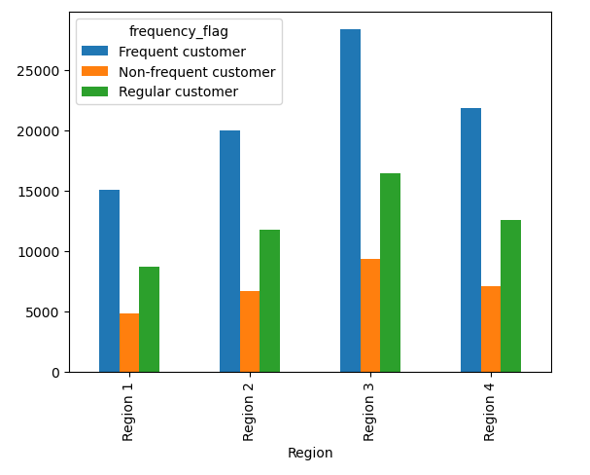
7 | Are there differences in ordering habits based on a customer’s region? |  | From the bar chart we can conclude that the only obvious difference among the regions in terms of order frequency is the size of the regions (Regions 3 being the most numerous), whereas the distribution of frequency statuses within any particular region stays the same across all the regions.


8 | Is there a connection between age and family status? |  | The line chart shows very little connection between the age and number of dependants. With milder fluctuation around the 30 to 50 age group. In general, the upper and lower peaks are quite close to each other (1.44 - 1.57), and do not provide much useful input.

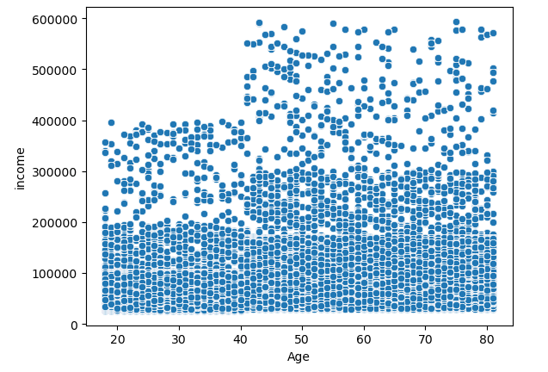
9 | What different classifications does the demographic information suggest? Age? Income? Certain types of goods? Family status? |  | The scatterplot very vividly shows us the age line beyond which the income jumps up, and it is the age of 40, at which the majority of Instacart customers transition from 200K to 300K income. The income ceiling also jumps up from 400K to 600K at the same age line of 40.

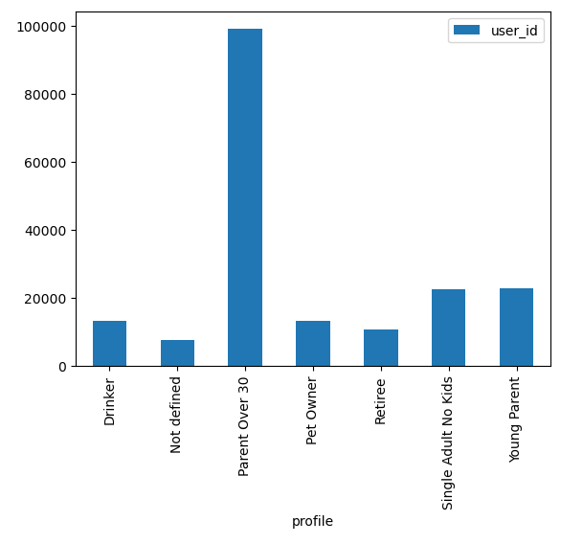
 |  |  | The bar chart shows the distribution of customers among different profiles, with "Parent over 30" (and below 65) being the most numerous one. Please, remember that some profiles may overlap. For example, a "Single Adult No Kids" can still be a "Pet Owner". "Young Parent", "Parent Over 30" and "Retiree" do not overlap according to their age criteria. (For the profile criteria, please, refer to 5. Column derivations Tab, 'profile' column.)

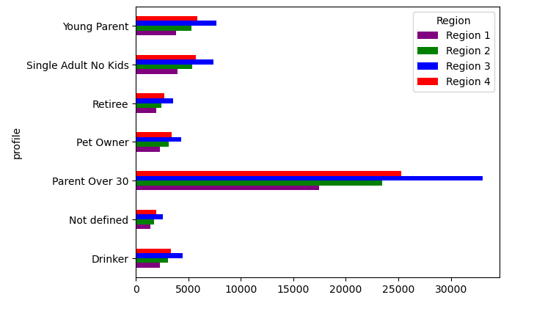
10 | What differences can you find in ordering habits of different customer profiles? Consider the price of orders, the frequency of orders, the products customers are ordering, and anything else you can think of. |  | We do not see any considerable differences among profiles in terms of their ordering habits that would differ from region to region, which could be due to the fact that the customer information data used for the current project has been fabricated.

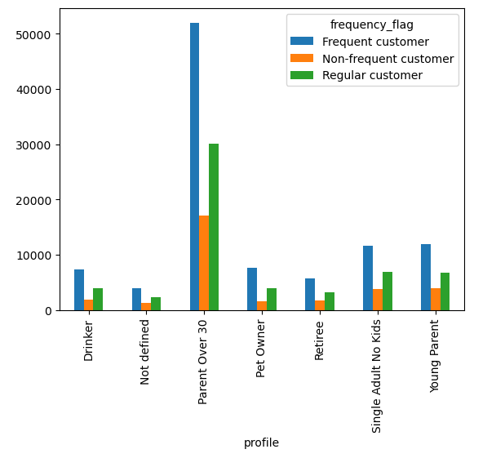
 |  |  | We do not see any considerable differences among profiles in terms of their order frequency, which could be due to the fact that the customer information data used for the current project has been fabricated.

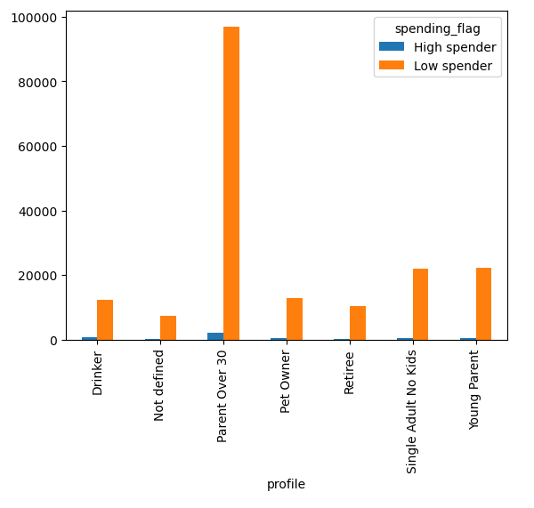
 |  |  | We do not see any considerable differences among profiles in terms of their spending habits (most of the customers in every profile are "low spenders") which could be due to the fact that the customer information data used for the current project has been fabricated.

7. Recommendations
Recommendations

IMPORTANT: Since the customer information data used for the current project
has been fabricated, the charts and conclusions cannot be used to make business
decisions. The charts and the conclusions are meant for illustrative purposes only.

# | Question | Answer | Viz

1 | The sales team needs to know what the busiest days of the week and hours of the day are (i.e., the days and times with the most orders) in order to schedule ads at times when there are fewer orders. | The slowest days are Tuesdays and Wednesdays (Day 3 and 4). As for the times: hours between 1:00 and 7:00am have the least amount of orders placed.

2 | The sales team also want to know whether there are particular times of the day when people spend the most money, as this might inform the type of products they advertise at these times. | The times that customers pay the most money are at the highest peak on hour 4:00, followed by two lower peaks at 6:00 and 22:00 (10pm).

3 | Instacart has a lot of products with different price tags. Marketing and sales want to use simpler price range groupings to help direct their efforts. | Most of the prices fall into grouping from $0 to $15, while the prices that fall into grouping between $15 and $25 are rare and far between.

4 | Are there certain types of products that are more popular than others? The marketing and sales teams want to know which departments have the highest frequency of product orders. | The top 5 of the most popular departments in terms of number of orders are: Number 1 - Produce (4), followed by Number 2 - Dairy and Eggs (16) and colcluded by Frozen (1), Beverages (7) and Snacks (19).

5 | What’s the distribution among users in regards to their brand loyalty (i.e., how often do they return to Instacart)? | The bar chart shows the distribution of orders among different categories of customers, with regular cumsomers (who have between 10 and 40 orders with Instacart) leading in the overall amount of orders, followed by loyal customers. New customers show the least amount of orders placed being the least numerous group of all.

6 | Are there differences in ordering habits based on a customer’s loyalty status? | The bar chart crearly shows us that most loyal customers (those who have over 40 orders) are also frequent customers, who have on average 10 or less days between orders. The regular customers in terms of loyalty (over 10 and up to 40 orders) show a prevalency of being frequent in their purchases, while only a small portion of them have more than 20 days between their orders. The new customers are evenly distributed among the frequency categories.

7 | What different classifications does the demographic information suggest? Age? Income? Certain types of goods? Family status? | At the age of 40 the majority of Instacart customers transition from 200K to 300K income. The income ceiling also jumps up from 400K to 600K at the same age line of 40.

 |  | The profile category "Parent of 30" (and below 65, with dependants) is the most numerous one. Please, keep in mind that some profiles may overlap. For example, a "Single Adult No Kids" can still be a "Pet Owner". "Young Parent", "Parent Over 30" and "Retiree" do not overlap according to their age criteria. (For the profile criteria, please, refer to 5. Column derivations Tab, 'profile' column.)

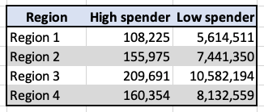
8 | Are there differences in ordering habits based on a customer’s region? | Region 3 has the most customers and almost doubles both High and Low spenders when compared to Region 1, while Regions 2 and 4 are hanging somewhere in between.

